GUI CGI SPEC
Xmind
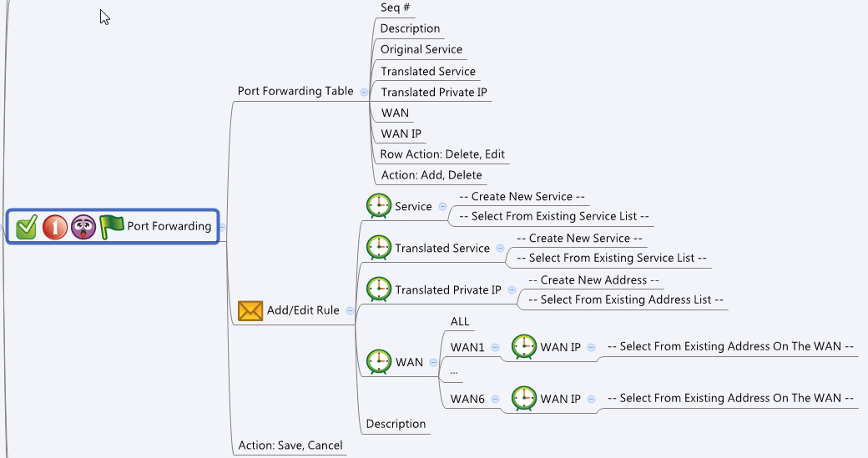

Behavior
# Show "WAN IP" dropdown list only when "WAN" setting is not "ALL"
# WAN IP should only list the IP address or IP alias of a WAN interface. If user change the WAN interface while editing, reload the WAN IP list with new addresses on the new interface
# User must choose valid Service/IP address objects for all the options in this page. If user did not fulfill this, do not let him save the configuration
# "Service" and "Translated Service" must be the same type (Both / TCP / UDP)
# "Service" and "Translated Service" must be one of the following types: Both / TCP / UDP
# Limitations: Max Port Forwarding Table Size = 64
[UI Display Name] | [CGI Name] | [JSON Name] | [Description] | Range / Default Value / Units
Port Forwarding Table / Add/Edit Rule |  |  |  | Table size: 64
N/A | portForwarding.cgi | guiPortForwardingTNum | int, number of rules
N/A | portForwarding.cgi | guiPortForwardingT.gid | unique numeric ID
Original Service | portForwarding.cgi | guiPortForwardingT.originalService | unique numeric ID of a service object. Get information from common_service_list cgi. Show its name on GUI."Original Service" and "Translated Service" must be the same type (TCP/UDP) of service. Get this information from common_service_list. NOTE: Only display Both / TCP / UDP type of services
Translated Service | portForwarding.cgi | guiPortForwardingT.translatedService | unique numeric ID of a service object. Get information from common_service_list cgi. Show its name on GUI."Original Service" and "Translated Service" must be the same type (TCP/UDP) of service. Get this information from common_service_list. NOTE: Only display Both / TCP / UDP type of services
Translated Private IP | portForwarding.cgi | guiPortForwardingT.privateIp | unique numeric ID of an address object. Get information from common_ip_list cgi. Show its name on GUI. NOTE: Display only Host, Range or Network type of IP addresses
WAN | portForwarding.cgi | guiPortForwardingT.wan | 0: ALL, 1: WAN1, 2: WAN2, …, 6: WAN6 | Default: 0
WAN IP | portForwarding.cgi | guiPortForwardingT.wanIpId | unique numeric ID of an address object. Get information from common_ip_list cgi. Show its name on GUI. NOTE: Display only IP addresses of the WAN interface. You can filter those IP addresses whose name start with WANx and is not user defined
Description | portForwarding.cgi | guiPortForwardingT.description | string, user added description for this rule. Limit length to 100 | Length: 100
N/A | portForwarding.cgi | guiPortForwardingT.cgiAction | 0: none, 1: add, 2: update, 3: delete

Common Service
N/A | common_service_list.cgi | guiServiceTNum | int
N/A | common_service_list.cgi | guiServiceT.gid | int
N/A | common_service_list.cgi | guiServiceT.name | All viewable ASCII code except (whitespace) ‘ ` “ % ?
N/A | common_service_list.cgi | guiServiceT.userDefined | 0/1
N/A | common_service_list.cgi | guiServiceT.type | int: 0: both (tcp/udp), 1: tcp, 2: udp, 3: icmp, 4: ip
N/A | common_service_list.cgi | guiServiceT.param1 | int
N/A | common_service_list.cgi | guiServiceT.param2 | int
Common IP
N/A | common_ip_list.cgi | guiIpTNum | int
N/A | common_ip_list.cgi | guiIpT.gid | int
N/A | common_ip_list.cgi | guiIpT.name | All viewable ASCII code except (whitespace) ‘ ` “ % ?
N/A | common_ip_list.cgi | guiIpT.userDefined | 0/1
N/A | common_ip_list.cgi | guiIpT.type | int: 1: host, 2: network, 3: range
N/A | common_ip_list.cgi | guiIpT.startIp | ipaddr
N/A | common_ip_list.cgi | guiIpT.endIp | ipaddr
N/A | common_ip_list.cgi | guiIpT.netmask | netmask

JSON String

portForwarding.cgi
## GET & POST methods ##
{
"guiPortForwardingTNum": "1",
"guiPortForwardingT": [
{
"gid": "5566",
"originalService": "4710",
"translatedService": "4710",
"privateIp": "10",
"wan": "0",
"wanIpId": "",
"description": "My first rule",
"cgiAction": "0"
}
]
}

## cgi name ##
common_service_list.cgi
## GET methods ##
{
"guiServiceTNum": 1,
"guiServiceT": [
{
"gid": 4710,
"name": "DNS",
"type": 0,
"userDefined": 0,
"param1": 53,
"param2": 53
}
]
}

## cgi name ##
common_ip_list.cgi
## GET methods ##
{
"guiIpTNum": 1,
"guiIpT": [
{
"gid": 10,
"name": "DEFAULT_IP",
"userDefined": 0,
"type": 1,
"startIp": "192.168.75.1",
"endIp": "192.168.75.1",
"netmask": "255.255.255.255"
}
]
}

